Readme
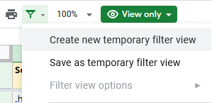
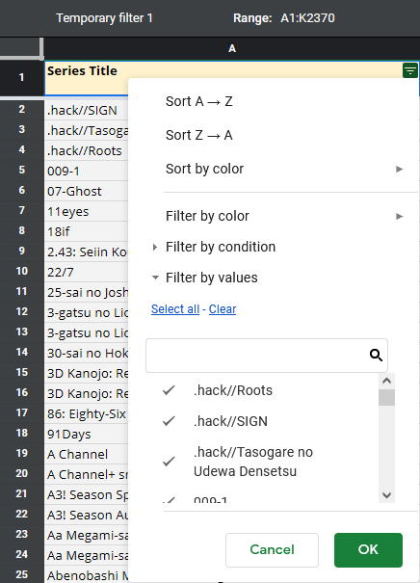
What is this? This document is a replacement for someanithing, a website I ran from January 2014 to September 2021 that primarily recorded DVD/BD sales in Japan for TV anime. I've shut that site down for a mixture of reasons: cost, decreasing frequency of updates, not personally watching anime anymore, and the reduced relevance of physical video disc sales for the anime market as a whole. What's changed? This spreadsheet contains all the main charts the website had, although not always in the same form. The following noteable changes have been made: • Average sales and Per-volume sales charts are not broken out by year, because you can sort on the Year column now. • The seasonal Vol. 1 posts are no longer posted, because you can just sort the Per-volume charts by Season + Year + Volume = 1 and get the same information. • Film DVD/BD sales information is now available. It is by no means comprehensive of every anime film ever, but it should include a majority of films from the last decade, plus historical data on many family and mainstream franchise films (Doraemon, Shin-chan, Conan) as well as the Ghibli catalogue. I've dug up as much historical data as I could on old releases from the pre-DVD era. Sometimes you'll need to go through an extra step or two to get the same subset of data, but I didn't think adding dozens of extra sheets to separate out every year and season was ideal. Maybe that makes sense on a website, but not a spreadsheet. It's also easier for me to update when structured this way, which makes me more likely to continue updating. And consider the movie sales charts a bit of compensation. People have been asking me to add that for years. How to filter columns Filtering data in Google Sheets takes an extra step compared to Excel. This is how you do it: 1. In the top left of each sheet you will see a funnel icon. 2. Click on it and select "Create new temporary filter view" from the dropdown. 3. This activates filter mode. Now you can click on the d

10k+ Stats
Airing Year
Airing Year | # | % | Disc Publisher | # | % | Animation Studio | # | %
2000 | 2 | 1.0% | Aniplex | 54 | 27.8% | A1 Pictures | 24 | 12.4%
2001 | 2 | 1.0% | Bandai Visual | 30 | 15.5% | Sunrise | 21 | 10.8%
2002 | 7 | 3.6% | King Records | 18 | 9.3% | Kyoto Animation | 16 | 8.2%
2003 | 5 | 2.6% | NBC Universal (Geneon) | 15 | 7.7% | JC Staff | 11 | 5.7%
2004 | 5 | 2.6% | Kadokawa | 12 | 6.2% | Production IG | 10 | 5.2%
2005 | 8 | 4.1% | TBS | 8 | 4.1% | Studio Deen | 9 | 4.6%
2006 | 7 | 3.6% | Touhou | 8 | 4.1% | Shaft | 7 | 3.6%
2008 | 13 | 6.7% | Warner Brothers | 6 | 3.1% | ufotable | 7 | 3.6%
2007 | 9 | 4.6% | Avex | 6 | 3.1% | Madhouse | 6 | 3.1%
2009 | 11 | 5.7% | Frontier Works | 4 | 2.1% | Brains Base | 5 | 2.6%
2010 | 11 | 5.7% | Marvelous AQL | 4 | 2.1% | Satelight | 5 | 2.6%
2011 | 15 | 7.7% | Media Factory | 4 | 2.1% | White Fox | 5 | 2.6%
Home Video Publisher
2012 | 14 | 7.2% | Showgate | 4 | 2.1% | Bones | 4 | 2.1%
2013 | 12 | 6.2% | Asmik Ace | 3 | 1.5% | David Production | 4 | 2.1%
2014 | 12 | 6.2% | Kyoto Animation | 3 | 1.5% | Feel | 4 | 2.1%
2015 | 16 | 8.2% | Pony Canyon | 3 | 1.5% | Gainax | 4 | 2.1%
2016 | 10 | 5.2% | Shouchiku | 3 | 1.5% | MAPPA | 4 | 2.1%
2017 | 9 | 4.6% | Cygames | 3 | 1.5% | Daume | 3 | 1.5%
2018 | 7 | 3.6% | Production Committee | 2 | 1.0% | PA Works | 3 | 1.5%
2019 | 7 | 3.6% | FuRyu | 1 | 0.5% | Troyca | 3 | 1.5%
2020 | 9 | 4.6% | Happinet | 1 | 0.5% | Xebec | 3 | 1.5%
2021 | 2 | 1.0% | Kodansha | 1 | 0.5% | 8bit | 2 | 1.0%
2022 | 1 | 0.5% | VAP | 1 | 0.5% | AIC Build | 2 | 1.0%
 |  |  |  |  |  | Cygames Pictures | 2 | 1.0%
 |  |  |  |  |  | Douga Koubou | 2 | 1.0%
 |  |  |  |  |  | Hal Film Maker | 2 | 1.0%
 |  |  |  |  |  | Seven Arcs | 2 | 1.0%
 |  |  |  |  |  | Studio Pierrot | 2 | 1.0%
 |  |  |  |  |  | TNK | 2 | 1.0%
 |  |  |  |  |  | WIT Studio | 2 | 1.0%
Animation Studio
 |  |  |  |  |  | W-Toon Studio | 2 | 1.0%
 |  |  |  |  |  | A.C.G.T. | 1 | 0.5%
 |  |  |  |  |  | Actas | 1 | 0.5%
 |  |  |  |  |  | AIC | 1 | 0.5%
 |  |  |  |  |  | AIC ASTA | 1 | 0.5%
 |  |  |  |  |  | AIC Spirits | 1 | 0.5%
 |  |  |  |  |  | Arms | 1 | 0.5%
 |  |  |  |  |  | Artland | 1 | 0.5%
 |  |  |  |  |  | C-Station | 1 | 0.5%
 |  |  |  |  |  | Diomedia | 1 | 0.5%
 |  |  |  |  |  | Gathering | 1 | 0.5%
 |  |  |  |  |  | Gonzo | 1 | 0.5%
 |  |  |  |  |  | Hoods | 1 | 0.5%
 |  |  |  |  |  | Studio Kai | 1 | 0.5%
 |  |  |  |  |  | Synergy SP | 1 | 0.5%
 |  |  |  |  |  | Toei Animation | 1 | 0.5%
 |  |  |  |  |  | Trigger | 1 | 0.5%

